Introduction
FINANCIAL MODEL OF ABB LTD.
Building on over 140 years of excellence, WITH more than 105,000 employees, ABB Ltd. is in business to enable a more sustainable and resource-efficient future with technology leadership in electrification and automation.

Company name | ABB Ltd.
Ticker | ABBNY
Stock Exchange | U.S.: OTC
Headquater | SWITZERLAND
Share price as of last close | $ 56.99
Latest closing share price date | 2025-02-14
Latest fiscal year end date | 2024-06-30

BUSINESS SUMMARY
ABB Ltd. Is a global Fortune 500 company in the Electrification business offering products and services from substation to socket. Customers include a wide range of industry and utility operations, plus commercial and residential buildings. The business has strong exposure to a range of rapidly growing segments, including renewables, e-mobility, data centers and smart buildings.Net sales break down by family of products as follows:

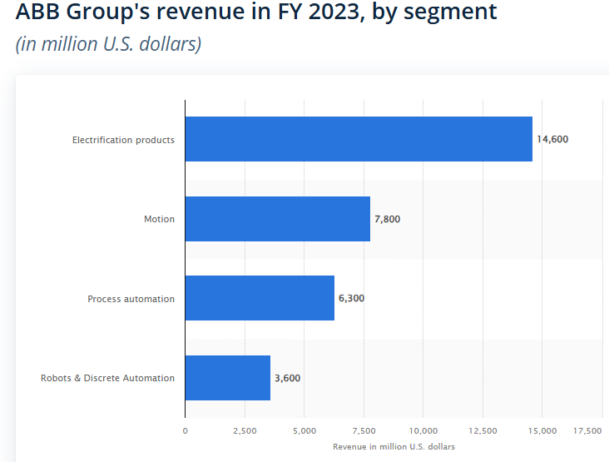

 |  | PREPARED BY
 |  | DATE
 |  | EMAIL ID

Gordon Growth Model
ABB Ltd. USA

Input Data
Current Stock Dividend (D0) | $0.79
Required Rate of Return on the Stock ( r ) | 26.0%
Constant Dividend Growth Rate (g) | 41.07%

Output
$$V_{0}=\frac{D_{0}(1+g)}{r−g}=\frac{D_{1}}{r−g}$$

Stock Value | $7.39 | =C4*(1+C6)/(C6-C5)

Current Dividen Yield | 0.79
Previous Yield | 0.56

